Questions
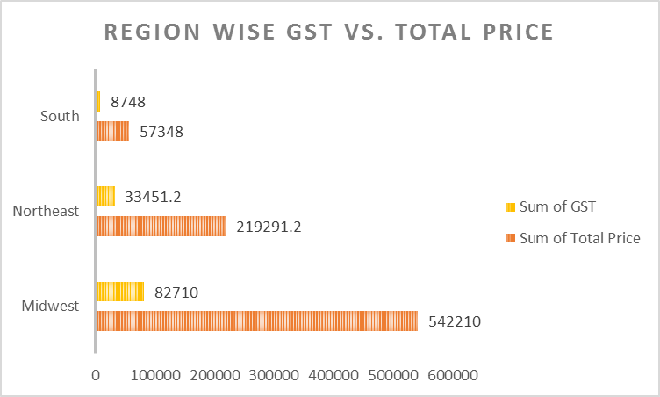
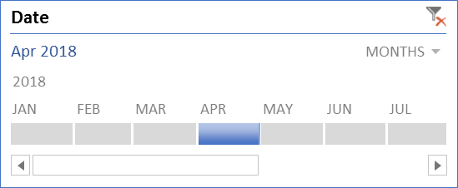
 | Create different types of Pivot Chart

Database 1 Sheet
1. Create a pivot chart in Chart 1 sheet as below format. Also insert a slicer on Product and show only the data of CPU Case, DVD Drive, and Hard Disk.
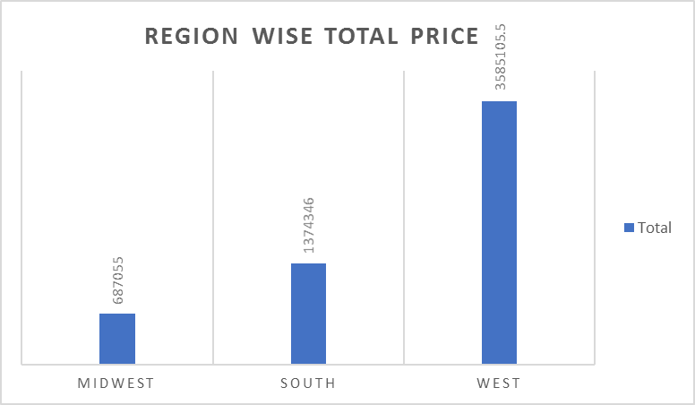
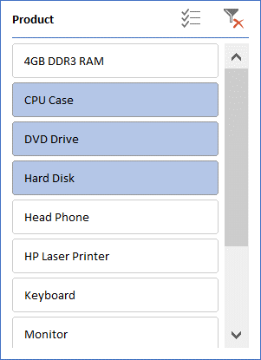

2. Create a pivot chart in Chart 2 sheet as below format. Also insert a slicer on Qtr and show the data of HP Laser Printer, Mother Board and Monitor of Q2 and Q4 only.
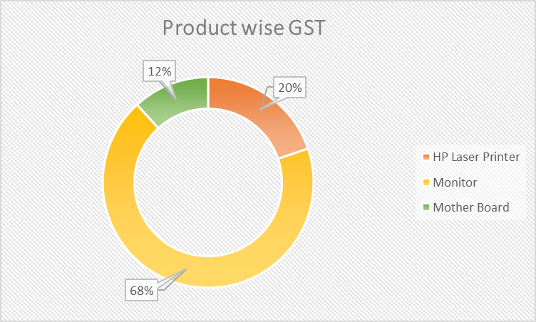
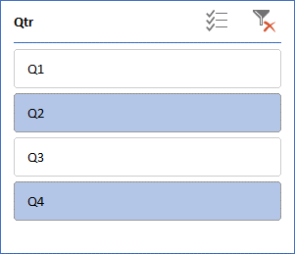

3. Create a pivot chart in Chart 3 sheet as below format. Also insert a timeline on Date and show only the data of Jan 2018.

